Sheet1
 |  | Document No. | Issue No. | Issue Date |  | Review and Replace Date |  |  | Authorised By
 |  | GFF033MC | 3 | 29.10.2018 |  | 08.10.2020 |  |  | Magda Shah
 |  | Document Title | 12 Vegetable Spring Rolls with Sweet Chilli Dip 220g
Document amendments reason for change |  | Tray changed to clear |  |  | Page 1 of 1 |  | Previous Issue Date | 31.10.2019 | Uncontrolled copy unless signed original

CVSRB3-R1TEB | BOOTHS - XMAS |  | 12 VEGETABLE SPRING ROLLS WITH SWEET CHILLI DIP 220g
STEP 1 |  |  |  |  | STEP 2


MUST BE FRIED BEFORE PACKING

Tray: SK4 Plain Clear (PKESS001-07) |  |  |  |  | 12 x Vegetable Spring Roll (RMMAN001-17) 15g
LINE 2: ME410AFV2, 410mm wide x 1000m linear PET Antifog WELD seal (PKRPO001-12)
STEP 3 |  |  |  |  | STEP 4
 |  |  |  |  | 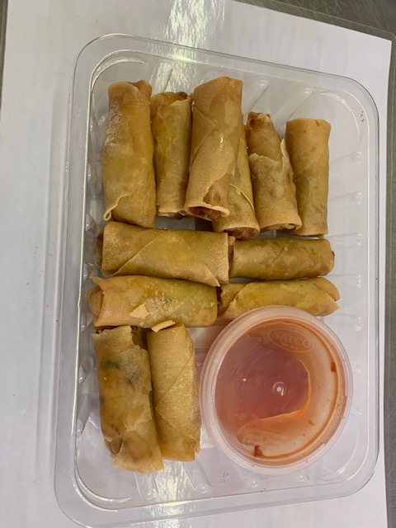

Sweet Chilli Sauce (GFF109R) 40g |  |  |  |  | TOTAL WEIGHT: 220g
SATCO CONTAINERS (PKKAV001-17)
ALLERGY ALERT: BARLEY, WHEAT, SULPHITES

